Case #1
Justin Pope Dev Test
Test Case No. |  | 1
Process |  | Unit Testing
Test Consideration |  | 1)
Test Condition |  |  | Data Used | How To Verify | Actual Results
Tasks
 |  | Testing Procedure
Configuration/Data Setup for Testing Scenario
Verification
Test Cast Screens Shots Before and After

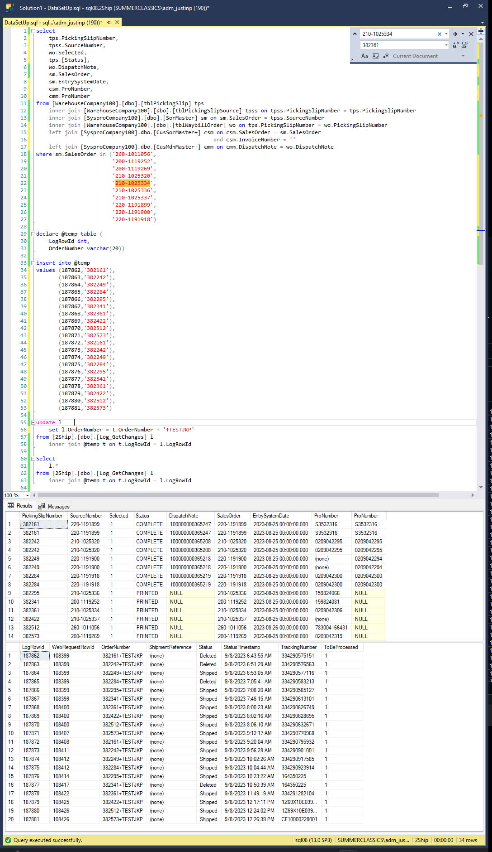
 | Data Set Up

 |  | Based on the data from above the following is expected
 |  | Log_GetChanges.LogRowId | action
 |  | 187862 | none
 |  | 187863 | none
 |  | 187864 | none
 |  | 187865 | none
 |  | 187866 | none
 |  | 187867 | none
 |  | 187868 | none
 |  | 187869 | none
 |  | 187870 | none
 |  | 187871 | none
 |  | 187872 | CusMdnMaster+.ProNumber update dispatch note 100000000365247
 |  | 187873 | CusMdnMaster+.ProNumber update dispatch note 100000000365208
 |  | 187874 | CusMdnMaster+.ProNumber update dispatch note 100000000365218
 |  | 187875 | CusMdnMaster+.ProNumber update
 |  | 187876 | CusSorMaster+.ProNumber update
 |  | 187877 | CusSorMaster+.ProNumber update
 |  | 187878 | CusSorMaster+.ProNumber update
 |  | 187879 | CusSorMaster+.ProNumber update
 |  | 187880 | CusSorMaster+.ProNumber update
 |  | 187881 | CusSorMaster+.ProNumber update

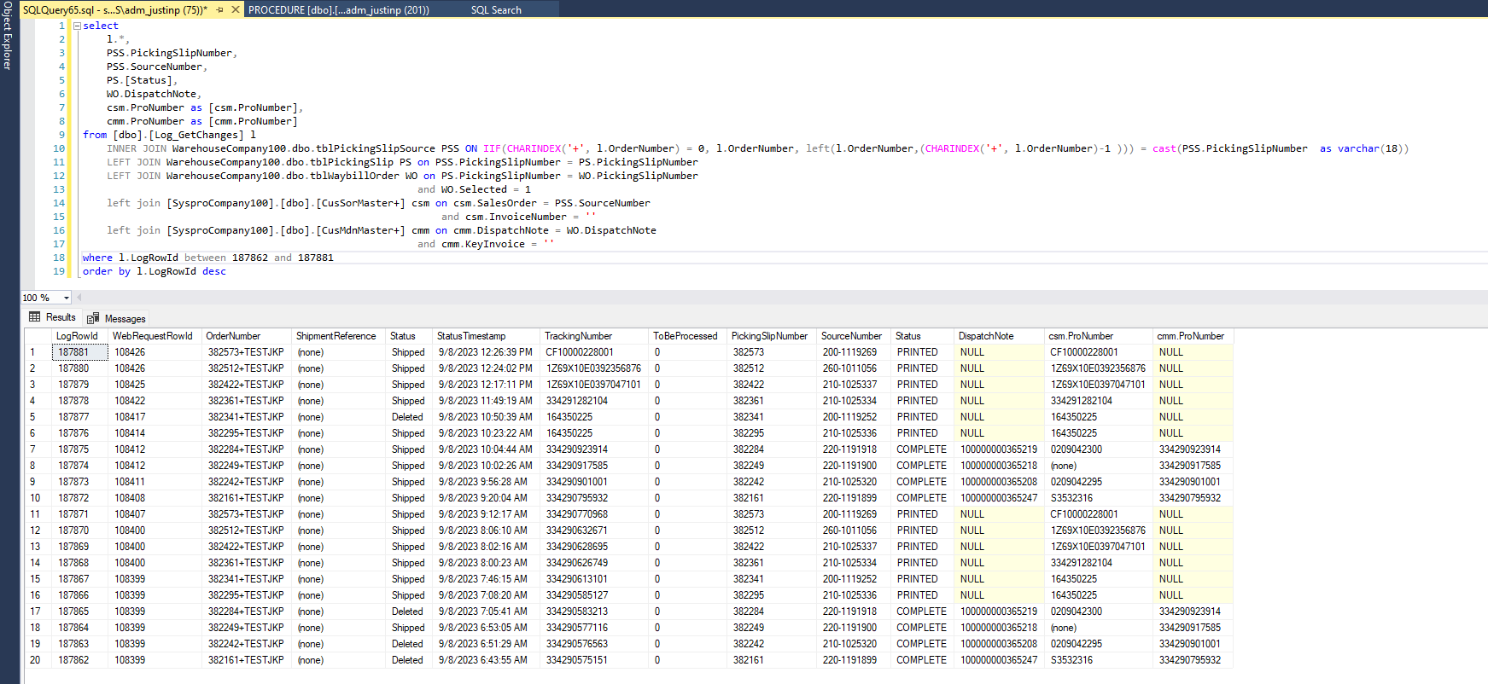
 | After Procedure Execution

